Source
Pic #1

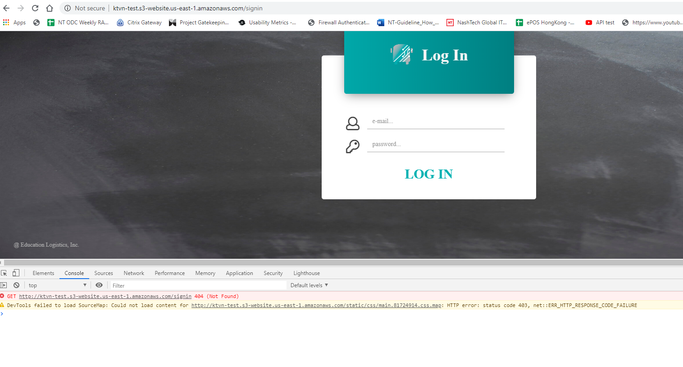

Pic #2

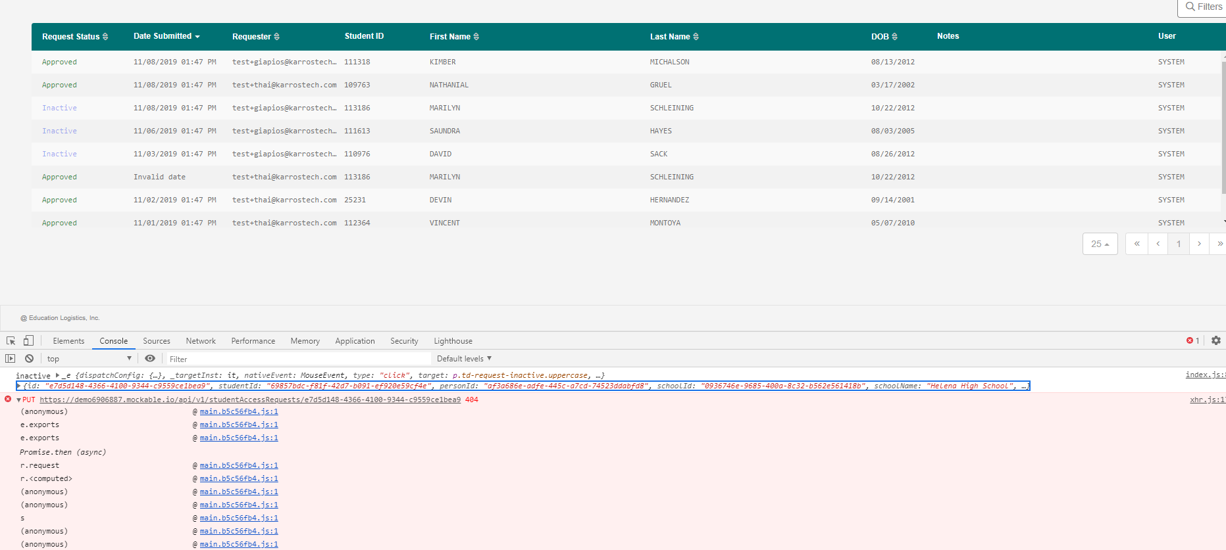

Pic#3

Pic#4

Pic#5

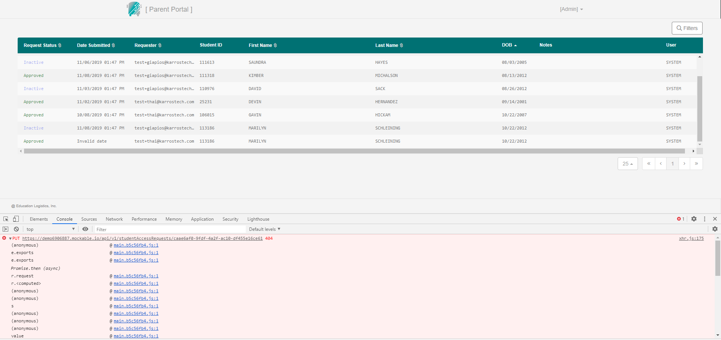

Pic#6

Request status lifecycle
Denied

Create new
Pending
Approved

Rejected
Inactive

